Winter
 |  |  |  |  |  |  |  |  |  |  |  |  | ºC | K
T0 | K | 273 |  |  |  |  |  |  |  |  |  | T2/T1 | 1.4 | 0.97342192691
cp water | kJ/kg.K | 4.18 |  |  |  |  |  |  |  |  |  | LN | 0.33647223662 | -0.026937655732
Tcond.sat | ºC | 30 |  |  |  |  |  |  |  |  |  | T0 | 91.856920598 | -7.3539800148
T evap.sat | ºC | 5 |  |  |  |  |  |  |  |  |  | T2-T1 | 8 | -8
Thot sink | ºC | 20 | 293 | K |  |  |  |  |  |  |  |  |  | -0.64601998522
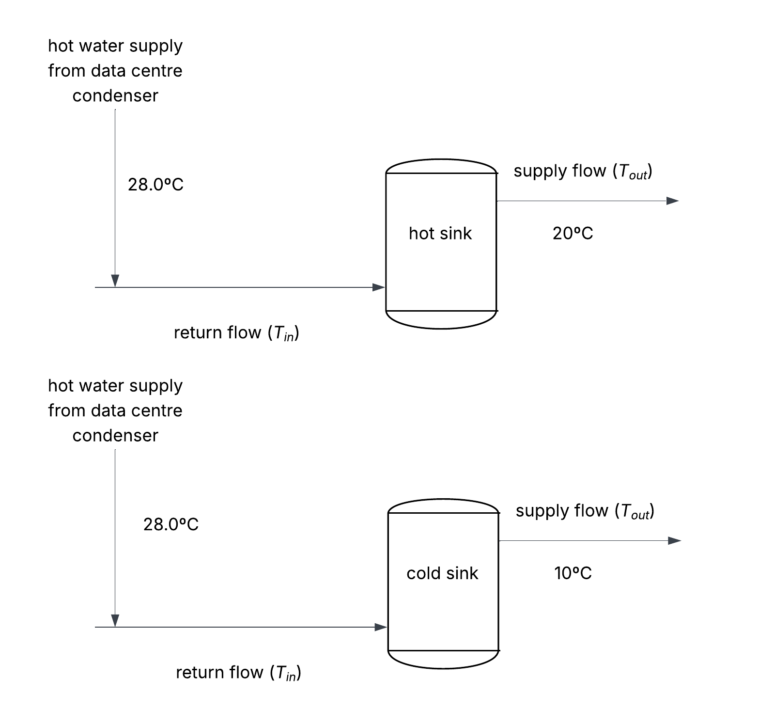
Tcold sink | ºC | 10 | 283 | K | Approach Temp |  |  |  |  |  |  |  | 0.0 | 0
Tcond.hot, out | ºC | 28 | 301 | K | 2 | K
Thp.hot, out | ºC | 10 | 283 | K | 5 | K
Tcond.cold, out | ºC | 28 | 301 | K | 5 | K
Thp.cold, out | ºC | 7 | 280 | K | 2 | K

 |  |  | Winter
 |  |  | Hot Sink |  |  |  |  |  | Cold Sink
 |  |  | Condenser |  |  | HP Evaporator |  |  | Condenser |  |  | HP Evaporator |  |  | total Ex dest
 |  |  | Qcond, hot | ṁcond, hot | Edest cond, hot | Qhp, hot | ṁhp, hot | Edest hp, hot | Qcond, cold | ṁcond, cold | Edest cond, cold | Qhp, cold | ṁhp, cold | Edest hp, hot
 |  |  | kW | kg/s | kW | kW | kg/s | kW | kW | kg/s | kW | kW | kg/s | kW
 |  | Total | 2,286,227 |  | 184,619 |  |  |  | 339,294 |  | 21,977 | - |  | - | 206,595
 |  | Hours |  |  |  | 8.1% |  |  |  |  |  | 6.5%
 | 31.55625 | 1 | 2524.5 |  | 203.9 |  |  |  | 0.0 |  | 0.0
 |  | 2 | 2376.0 |  | 191.9 |  |  |  | 0.0 |  | 0.0
 |  | 3 | 2524.5 |  | 203.9 |  |  |  | 0.0 |  | 0.0
 |  | 4 | 2673.0 |  | 215.9 |  |  |  | 0.0 |  | 0.0
 |  | 5 | 3044.2 |  | 245.8 |  |  |  | 0.0 |  | 0.0
 |  | 6 | 3267.0 |  | 263.8 |  |  |  | 0.0 |  | 0.0
 |  | 7 | 3489.7 |  | 281.8 |  |  |  | 0.0 |  | 0.0
 |  | 8 | 3712.5 |  | 299.8 |  |  |  | 0.0 |  | 0.0
 |  | 9 | 3732.7 |  | 301.4 |  |  |  | 202.6 |  | 13.1
 |  | 10 | 3726.1 |  | 300.9 |  |  |  | 431.9 |  | 28.0
 |  | 11 | 3719.6 |  | 300.4 |  |  |  | 661.1 |  | 42.8
 |  | 12 | 3713.2 |  | 299.8 |  |  |  | 890.3 |  | 57.7
 |  | 13 | 3706.7 |  | 299.3 |  |  |  | 1119.5 |  | 72.5
 |  | 14 | 3700.4 |  | 298.8 |  |  |  | 1348.6 |  | 87.4
 |  | 15 | 3694.0 |  | 298.3 |  |  |  | 1206.5 |  | 78.1
 |  | 16 | 3693.6 |  | 298.3 |  |  |  | 1404.9 |  | 91.0
 |  | 17 | 3701.1 |  | 298.9 |  |  |  | 2090.4 |  | 135.4
 |  | 18 | 3708.7 |  | 299.5 |  |  |  | 1934.3 |  | 125.3
 |  | 19 | 3716.2 |  | 300.1 |  |  |  | 2223.8 |  | 144.0
 |  | 20 | 3723.7 |  | 300.7 |  |  |  | 1919.3 |  | 124.3
 |  | 21 | 3731.1 |  | 301.3 |  |  |  | 2357.4 |  | 152.7
 |  | 22 | 3738.6 |  | 301.9 |  |  |  | 1607.4 |  | 104.1
 |  | 23 | 3737.9 |  | 301.8 |  |  |  | 865.6 |  | 56.1
 |  | 24 | 3731.4 |  | 301.3 |  |  |  | 129.6 |  | 8.4
 |  | 25 | 2524.5 |  | 203.9 |  |  |  | 0.0 |  | 0.0
 |  | 26 | 2376.0 |  | 191.9 |  |  |  | 0.0 |  | 0.0
 |  | 27 | 2554.2 |  | 206.3 |  |  |  | 0.0 |  | 0.0
 |  | 28 | 2673.0 |  | 215.9 |  |  |  | 0.0 |  | 0.0
 |  | 29 | 2948.8 |  | 238.1 |  |  |  | 0.0 |  | 0.0
 |  | 30 | 3139.7 |  | 253.5 |  |  |  | 0.0 |  | 0.0
 |  | 31 | 3330.6 |  | 269.0 |  |  |  | 0.0 |  | 0.0
 |  | 32 | 3521.6 |  | 284.4 |  |  |  | 0.0 |  | 0.0
 |  | 33 | 3712.5 |  | 299.8 |  |  |  | 0.0 |  | 0.0
 |  | 34 | 3708.3 |  | 299.5 |  |  |  | 195.2 |  | 12.6
 |  | 35 | 3702.0 |  | 298.9 |  |  |  | 392.4 |  | 25.4
 |  | 36 | 3695.7 |  | 298.4 |  |  |  | 589.6 |  | 38.2
 |  | 37 | 3689.5 |  | 297.9 |  |  |  | 786.7 |  | 51.0
 |  | 38 | 3682.9 |  | 297.4 |  |  |  | 984.2 |  | 63.7
 |  | 39 | 3675.9 |  | 296.8 |  |  |  | 1182.2 |  | 76.6
 |  | 40 | 3674.8 |  | 296.7 |  |  |  | 1374.2 |  | 89.0
 |  | 41 | 3681.6 |  | 297.3 |  |  |  | 1218.9 |  | 78.9
 |  | 42 | 3688.5 |  | 297.9 |  |  |  | 1509.0 |  | 97.7
 |  | 43 | 3695.3 |  | 298.4 |  |  |  | 1799.2 |  | 116.5
 |  | 44 | 3702.1 |  | 299.0 |  |  |  | 1940.9 |  | 125.7
 |  | 45 | 3708.9 |  | 299.5 |  |  |  | 2379.6 |  | 154.1
 |  | 46 | 3715.6 |  | 300.0 |  |  |  | 1630.4 |  | 105.6
 |  | 47 | 3714.3 |  | 299.9 |  |  |  | 889.2 |  | 57.6
 |  | 48 | 3707.1 |  | 299.4 |  |  |  | 153.9 |  | 10.0
 |  | 49 | 2524.5 |  | 203.9 |  |  |  | 0.0 |  | 0.0
 |  | 50 | 2376.0 |  | 191.9 |  |  |  | 0.0 |  | 0.0
 |  | 51 | 2524.5 |  | 203.9 |  |  |  | 0.0 |  | 0.0
 |  | 52 | 2673.0 |  | 215.9 |  |  |  | 0.0 |  | 0.0
 |  | 53 | 2992.8 |  | 241.7 |  |  |  | 0.0 |  | 0.0
 |  | 54 | 3198.5 |  | 258.3 |  |  |  | 0.0 |  | 0.0
 |  | 55 | 3404.1 |  | 274.9 |  |  |  | 0.0 |  | 0.0
 |  | 56 | 3609.7 |  | 291.5 |  |  |  | 0.0 |  | 0.0
 |  | 57 | 3683.1 |  | 297.4 |  |  |  | 132.2 |  | 8.6
 |  | 58 | 3676.2 |  | 296.9 |  |  |  | 344.8 |  | 22.3
 |  | 59 | 3669.2 |  | 296.3 |  |  |  | 557.3 |  | 36.1
 |  | 60 | 3662.3 |  | 295.7 |  |  |  | 769.9 |  | 49.9
 |  | 61 | 3655.4 |  | 295.2 |  |  |  | 982.4 |  | 63.6
 |  | 62 | 3648.6 |  | 294.6 |  |  |  | 1194.8 |  | 77.4
 |  | 63 | 3641.7 |  | 294.1 |  |  |  | 1407.3 |  | 91.2
 |  | 64 | 3640.8 |  | 294.0 |  |  |  | 1259.7 |  | 81.6
 |  | 65 | 3647.9 |  | 294.6 |  |  |  | 1519.9 |  | 98.4
 |  | 66 | 3655.0 |  | 295.1 |  |  |  | 1780.1 |  | 115.3
 |  | 67 | 3662.0 |  | 295.7 |  |  |  | 2278.0 |  | 147.6
 |  | 68 | 3669.0 |  | 296.3 |  |  |  | 2271.0 |  | 147.1
 |  | 69 | 3676.0 |  | 296.8 |  |  |  | 2561.0 |  | 165.9
 |  | 70 | 3682.9 |  | 297.4 |  |  |  | 1781.9 |  | 115.4
 |  | 71 | 3681.8 |  | 297.3 |  |  |  | 1010.8 |  | 65.5
 |  | 72 | 3674.8 |  | 296.8 |  |  |  | 245.6 |  | 15.9
 |  | 73 | 2524.5 |  | 203.9 |  |  |  | 0.0 |  | 0.0
 |  | 74 | 2376.0 |  | 191.9 |  |  |  | 0.0 |  | 0.0
 |  | 75 | 2524.5 |  | 203.9 |  |  |  | 0.0 |  | 0.0
 |  | 76 | 2673.0 |  | 215.9 |  |  |  | 0.0 |  | 0.0
 |  | 77 | 2970.0 |  | 239.8 |  |  |  | 0.0 |  | 0.0
 |  | 78 | 3168.0 |  | 255.8 |  |  |  | 0.0 |  | 0.0
 |  | 79 | 3366.0 |  | 271.8 |  |  |  | 0.0 |  | 0.0
 |  | 80 | 3564.0 |  | 287.8 |  |  |  | 0.0 |  | 0.0
 |  | 81 | 3660.5 |  | 295.6 |  |  |  | 101.5 |  | 6.6
 |  | 82 | 3667.5 |  | 296.2 |  |  |  | 292.5 |  | 18.9
 |  | 83 | 3674.6 |  | 296.7 |  |  |  | 483.4 |  | 31.3
 |  | 84 | 3681.6 |  | 297.3 |  |  |  | 674.4 |  | 43.7
 |  | 85 | 3688.9 |  | 297.9 |  |  |  | 865.1 |  | 56.0
 |  | 86 | 3696.7 |  | 298.5 |  |  |  | 1055.3 |  | 68.4
 |  | 87 | 3704.5 |  | 299.2 |  |  |  | 899.0 |  | 58.2
 |  | 88 | 3712.3 |  | 299.8 |  |  |  | 1237.7 |  | 80.2
 |  | 89 | 3720.1 |  | 300.4 |  |  |  | 1576.4 |  | 102.1
 |  | 90 | 3727.8 |  | 301.0 |  |  |  | 1915.2 |  | 124.1
 |  | 91 | 3735.5 |  | 301.6 |  |  |  | 1499.1 |  | 97.1
 |  | 92 | 3743.1 |  | 302.3 |  |  |  | 1083.1 |  | 70.2
 |  | 93 | 3750.8 |  | 302.9 |  |  |  | 667.1 |  | 43.2
 |  | 94 | 3758.4 |  | 303.5 |  |  |  | 251.1 |  | 16.3
 |  | 95 | 3601.1 |  | 290.8 |  |  |  | 0.0 |  | 0.0
 |  | 96 | 2970.0 |  | 239.8 |  |  |  | 0.0 |  | 0.0
 |  | 97 | 2524.5 |  | 203.9 |  |  |  | 0.0 |  | 0.0
 |  | 98 | 2376.0 |  | 191.9 |  |  |  | 0.0 |  | 0.0
 |  | 99 | 2524.5 |  | 203.9 |  |  |  | 0.0 |  | 0.0
 |  | 100 | 2673.0 |  | 215.9 |  |  |  | 0.0 |  | 0.0
 |  | 101 | 2943.0 |  | 237.7 |  |  |  | 0.0 |  | 0.0
 |  | 102 | 3132.0 |  | 252.9 |  |  |  | 0.0 |  | 0.0
 |  | 103 | 3321.0 |  | 268.2 |  |  |  | 0.0 |  | 0.0
 |  | 104 | 3510.0 |  | 283.4 |  |  |  | 0.0 |  | 0.0
 |  | 105 | 3699.0 |  | 298.7 |  |  |  | 0.0 |  | 0.0
 |  | 106 | 3754.8 |  | 303.2 |  |  |  | 133.2 |  | 8.6
 |  | 107 | 3762.5 |  | 303.8 |  |  |  | 314.5 |  | 20.4
 |  | 108 | 3770.2 |  | 304.5 |  |  |  | 495.8 |  | 32.1
 |  | 109 | 3777.9 |  | 305.1 |  |  |  | 677.1 |  | 43.9
 |  | 110 | 3785.5 |  | 305.7 |  |  |  | 584.6 |  | 37.9
 |  | 111 | 3793.1 |  | 306.3 |  |  |  | 492.2 |  | 31.9
 |  | 112 | 3800.4 |  | 306.9 |  |  |  | 400.0 |  | 25.9
 |  | 113 | 3805.3 |  | 307.3 |  |  |  | 310.3 |  | 20.1
 |  | 114 | 3810.2 |  | 307.7 |  |  |  | 220.5 |  | 14.3
 |  | 115 | 3815.0 |  | 308.1 |  |  |  | 130.8 |  | 8.5
 |  | 116 | 3819.9 |  | 308.5 |  |  |  | 41.1 |  | 2.7
 |  | 117 | 3824.7 |  | 308.9 |  |  |  | 333.3 |  | 21.6
 |  | 118 | 3712.5 |  | 299.8 |  |  |  | 0.0 |  | 0.0
 |  | 119 | 3267.0 |  | 263.8 |  |  |  | 0.0 |  | 0.0
 |  | 120 | 2821.5 |  | 227.8 |  |  |  | 0.0 |  | 0.0
 |  | 121 | 2376.0 |  | 191.9 |  |  |  | 0.0 |  | 0.0
 |  | 122 | 2376.0 |  | 191.9 |  |  |  | 0.0 |  | 0.0
 |  | 123 | 2545.7 |  | 205.6 |  |  |  | 0.0 |  | 0.0
 |  | 124 | 2715.4 |  | 219.3 |  |  |  | 0.0 |  | 0.0
 |  | 125 | 2885.1 |  | 233.0 |  |  |  | 0.0 |  | 0.0
 |  | 126 | 3054.9 |  | 246.7 |  |  |  | 0.0 |  | 0.0
 |  | 127 | 3224.6 |  | 260.4 |  |  |  | 0.0 |  | 0.0
 |  | 128 | 3394.3 |  | 274.1 |  |  |  | 0.0 |  | 0.0
 |  | 129 | 3564.0 |  | 287.8 |  |  |  | 0.0 |  | 0.0
 |  | 130 | 3733.7 |  | 301.5 |  |  |  | 0.0 |  | 0.0
 |  | 131 | 3764.8 |  | 304.0 |  |  |  | 138.6 |  | 9.0
 |  | 132 | 3755.3 |  | 303.2 |  |  |  | 317.9 |  | 20.6
 |  | 133 | 3745.5 |  | 302.5 |  |  |  | 412.5 |  | 26.7
 |  | 134 | 3735.7 |  | 301.7 |  |  |  | 422.3 |  | 27.4
 |  | 135 | 3726.0 |  | 300.9 |  |  |  | 856.3 |  | 55.5
 |  | 136 | 3725.1 |  | 300.8 |  |  |  | 1026.9 |  | 66.5
 |  | 137 | 3733.0 |  | 301.4 |  |  |  | 781.4 |  | 50.6
 |  | 138 | 3740.8 |  | 302.1 |  |  |  | 536.0 |  | 34.7
 |  | 139 | 3748.6 |  | 302.7 |  |  |  | 409.4 |  | 26.5
 |  | 140 | 3756.4 |  | 303.3 |  |  |  | 45.2 |  | 2.9
 |  | 141 | 3564.0 |  | 287.8 |  |  |  | 0.0 |  | 0.0
 |  | 142 | 3326.4 |  | 268.6 |  |  |  | 0.0 |  | 0.0
 |  | 143 | 2673.0 |  | 215.9 |  |  |  | 0.0 |  | 0.0
 |  | 144 | 2524.5 |  | 203.9 |  |  |  | 0.0 |  | 0.0
 |  | 145 | 2376.0 |  | 191.9 |  |  |  | 0.0 |  | 0.0
 |  | 146 | 2376.0 |  | 191.9 |  |  |  | 0.0 |  | 0.0
 |  | 147 | 2524.5 |  | 203.9 |  |  |  | 0.0 |  | 0.0
 |  | 148 | 2673.0 |  | 215.9 |  |  |  | 0.0 |  | 0.0
 |  | 149 | 2821.5 |  | 227.8 |  |  |  | 0.0 |  | 0.0
 |  | 150 | 2970.0 |  | 239.8 |  |  |  | 0.0 |  | 0.0
 |  | 151 | 3118.5 |  | 251.8 |  |  |  | 0.0 |  | 0.0
 |  | 152 | 3267.0 |  | 263.8 |  |  |  | 0.0 |  | 0.0
 |  | 153 | 3415.5 |  | 275.8 |  |  |  | 0.0 |  | 0.0
 |  | 154 | 3564.0 |  | 287.8 |  |  |  | 0.0 |  | 0.0
 |  | 155 | 3712.5 |  | 299.8 |  |  |  | 0.0 |  | 0.0
 |  | 156 | 3742.2 |  | 302.2 |  |  |  | 118.8 |  | 7.7
 |  | 157 | 3736.1 |  | 301.7 |  |  |  | 273.4 |  | 17.7
 |  | 158 | 3730.0 |  | 301.2 |  |  |  | 428.0 |  | 27.7
 |  | 159 | 3723.9 |  | 300.7 |  |  |  | 285.6 |  | 18.5
 |  | 160 | 3723.9 |  | 300.7 |  |  |  | 434.1 |  | 28.1
 |  | 161 | 3731.9 |  | 301.4 |  |  |  | 1020.1 |  | 66.1
 |  | 162 | 3739.9 |  | 302.0 |  |  |  | 863.6 |  | 55.9
 |  | 163 | 3747.8 |  | 302.6 |  |  |  | 1152.7 |  | 74.7
 |  | 164 | 3755.7 |  | 303.3 |  |  |  | 818.1 |  | 53.0
 |  | 165 | 3763.1 |  | 303.9 |  |  |  | 484.0 |  | 31.4
 |  | 166 | 3768.3 |  | 304.3 |  |  |  | 152.1 |  | 9.9
 |  | 167 | 3593.7 |  | 290.2 |  |  |  | 0.0 |  | 0.0
 |  | 168 | 3267.0 |  | 263.8 |  |  |  | 0.0 |  | 0.0
 |  | 169 | 2524.5 |  | 203.9 |  |  |  | 0.0 |  | 0.0
 |  | 170 | 2376.0 |  | 191.9 |  |  |  | 0.0 |  | 0.0
 |  | 171 | 2524.5 |  | 203.9 |  |  |  | 0.0 |  | 0.0
 |  | 172 | 2673.0 |  | 215.9 |  |  |  | 0.0 |  | 0.0
 |  | 173 | 3044.2 |  | 245.8 |  |  |  | 0.0 |  | 0.0
 |  | 174 | 3267.0 |  | 263.8 |  |  |  | 0.0 |  | 0.0
 |  | 175 | 3489.7 |  | 281.8 |  |  |  | 0.0 |  | 0.0
 |  | 176 | 3712.5 |  | 299.8 |  |  |  | 0.0 |  | 0.0
 |  | 177 | 3726.1 |  | 300.9 |  |  |  | 209.2 |  | 13.5
 |  | 178 | 3719.2 |  | 300.3 |  |  |  | 438.8 |  | 28.4
 |  | 179 | 3712.3 |  | 299.8 |  |  |  | 668.5 |  | 43.3
 |  | 180 | 3705.5 |  | 299.2 |  |  |  | 898.0 |  | 58.2
 |  | 181 | 3698.7 |  | 298.7 |  |  |  | 1127.6 |  | 73.0
 |  | 182 | 3691.9 |  | 298.1 |  |  |  | 1357.1 |  | 87.9
 |  | 183 | 3685.2 |  | 297.6 |  |  |  | 1215.3 |  | 78.7
 |  | 184 | 3684.4 |  | 297.5 |  |  |  | 1414.1 |  | 91.6
 |  | 185 | 3691.7 |  | 298.1 |  |  |  | 2099.8 |  | 136.0
 |  | 186 | 3699.0 |  | 298.7 |  |  |  | 1944.0 |  | 125.9
 |  | 187 | 3706.2 |  | 299.3 |  |  |  | 2233.8 |  | 144.7
 |  | 188 | 3713.4 |  | 299.9 |  |  |  | 1929.6 |  | 125.0
 |  | 189 | 3720.6 |  | 300.4 |  |  |  | 2367.9 |  | 153.4
 |  | 190 | 3728.1 |  | 301.1 |  |  |  | 1617.9 |  | 104.8
 |  | 191 | 3728.0 |  | 301.0 |  |  |  | 875.5 |  | 56.7
 |  | 192 | 3722.1 |  | 300.6 |  |  |  | 138.9 |  | 9.0
 |  | 193 | 2524.5 |  | 203.9 |  |  |  | 0.0 |  | 0.0
 |  | 194 | 2376.0 |  | 191.9 |  |  |  | 0.0 |  | 0.0
 |  | 195 | 2554.2 |  | 206.3 |  |  |  | 0.0 |  | 0.0
 |  | 196 | 2673.0 |  | 215.9 |  |  |  | 0.0 |  | 0.0
 |  | 197 | 2948.8 |  | 238.1 |  |  |  | 0.0 |  | 0.0
 |  | 198 | 3139.7 |  | 253.5 |  |  |  | 0.0 |  | 0.0
 |  | 199 | 3330.6 |  | 269.0 |  |  |  | 0.0 |  | 0.0
 |  | 200 | 3521.6 |  | 284.4 |  |  |  | 0.0 |  | 0.0
 |  | 201 | 3709.6 |  | 299.6 |  |  |  | 2.9 |  | 0.2
 |  | 202 | 3703.7 |  | 299.1 |  |  |  | 199.7 |  | 12.9
 |  | 203 | 3697.9 |  | 298.6 |  |  |  | 396.5 |  | 25.7
 |  | 204 | 3692.1 |  | 298.1 |  |  |  | 593.2 |  | 38.4
 |  | 205 | 3686.3 |  | 297.7 |  |  |  | 789.9 |  | 51.2
 |  | 206 | 3679.7 |  | 297.1 |  |  |  | 987.4 |  | 64.0
 |  | 207 | 3673.2 |  | 296.6 |  |  |  | 1184.9 |  | 76.7
 |  | 208 | 3672.5 |  | 296.6 |  |  |  | 1376.5 |  | 89.2
 |  | 209 | 3679.9 |  | 297.2 |  |  |  | 1220.6 |  | 79.1
 |  | 210 | 3687.2 |  | 297.8 |  |  |  | 1510.3 |  | 97.8
 |  | 211 | 3694.5 |  | 298.3 |  |  |  | 1800.0 |  | 116.6
 |  | 212 | 3701.7 |  | 298.9 |  |  |  | 1941.3 |  | 125.7
 |  | 213 | 3709.0 |  | 299.5 |  |  |  | 2379.5 |  | 154.1
 |  | 214 | 3716.2 |  | 300.1 |  |  |  | 1629.8 |  | 105.6
 |  | 215 | 3715.3 |  | 300.0 |  |  |  | 888.2 |  | 57.5
 |  | 216 | 3708.6 |  | 299.5 |  |  |  | 152.4 |  | 9.9
 |  | 217 | 2524.5 |  | 203.9 |  |  |  | 0.0 |  | 0.0
 |  | 218 | 2376.0 |  | 191.9 |  |  |  | 0.0 |  | 0.0
 |  | 219 | 2524.5 |  | 203.9 |  |  |  | 0.0 |  | 0.0
 |  | 220 | 2673.0 |  | 215.9 |  |  |  | 0.0 |  | 0.0
 |  | 221 | 2992.8 |  | 241.7 |  |  |  | 0.0 |  | 0.0
 |  | 222 | 3198.5 |  | 258.3 |  |  |  | 0.0 |  | 0.0
 |  | 223 | 3404.1 |  | 274.9 |  |  |  | 0.0 |  | 0.0
 |  | 224 | 3609.7 |  | 291.5 |  |  |  | 0.0 |  | 0.0
 |  | 225 | 3688.5 |  | 297.9 |  |  |  | 126.8 |  | 8.2
 |  | 226 | 3681.9 |  | 297.3 |  |  |  | 339.0 |  | 22.0
 |  | 227 | 3675.4 |  | 296.8 |  |  |  | 551.1 |  | 35.7
 |  | 228 | 3668.9 |  | 296.3 |  |  |  | 763.2 |  | 49.4
 |  | 229 | 3662.5 |  | 295.8 |  |  |  | 975.3 |  | 63.2
 |  | 230 | 3656.0 |  | 295.2 |  |  |  | 1187.4 |  | 76.9
 |  | 231 | 3649.6 |  | 294.7 |  |  |  | 1399.4 |  | 90.6
 |  | 232 | 3649.8 |  | 294.7 |  |  |  | 1250.7 |  | 81.0
 |  | 233 | 3658.2 |  | 295.4 |  |  |  | 1509.6 |  | 97.8
 |  | 234 | 3666.5 |  | 296.1 |  |  |  | 1768.6 |  | 114.6
 |  | 235 | 3674.8 |  | 296.7 |  |  |  | 2265.2 |  | 146.7
 |  | 236 | 3683.0 |  | 297.4 |  |  |  | 2257.0 |  | 146.2
 |  | 237 | 3691.2 |  | 298.1 |  |  |  | 2545.8 |  | 164.9
 |  | 238 | 3699.4 |  | 298.7 |  |  |  | 1765.4 |  | 114.3
 |  | 239 | 3699.5 |  | 298.7 |  |  |  | 993.1 |  | 64.3
 |  | 240 | 3693.8 |  | 298.3 |  |  |  | 226.6 |  | 14.7
 |  | 241 | 2524.5 |  | 203.9 |  |  |  | 0.0 |  | 0.0
 |  | 242 | 2376.0 |  | 191.9 |  |  |  | 0.0 |  | 0.0
 |  | 243 | 2524.5 |  | 203.9 |  |  |  | 0.0 |  | 0.0
 |  | 244 | 2673.0 |  | 215.9 |  |  |  | 0.0 |  | 0.0
 |  | 245 | 2970.0 |  | 239.8 |  |  |  | 0.0 |  | 0.0
 |  | 246 | 3168.0 |  | 255.8 |  |  |  | 0.0 |  | 0.0
 |  | 247 | 3366.0 |  | 271.8 |  |  |  | 0.0 |  | 0.0
 |  | 248 | 3564.0 |  | 287.8 |  |  |  | 0.0 |  | 0.0
 |  | 249 | 3691.1 |  | 298.1 |  |  |  | 70.9 |  | 4.6
 |  | 250 | 3699.3 |  | 298.7 |  |  |  | 260.7 |  | 16.9
 |  | 251 | 3707.5 |  | 299.4 |  |  |  | 450.5 |  | 29.2
 |  | 252 | 3715.7 |  | 300.1 |  |  |  | 640.3 |  | 41.5
 |  | 253 | 3723.9 |  | 300.7 |  |  |  | 830.1 |  | 53.8
 |  | 254 | 3732.0 |  | 301.4 |  |  |  | 1020.0 |  | 66.1
 |  | 255 | 3740.1 |  | 302.0 |  |  |  | 863.4 |  | 55.9
 |  | 256 | 3748.2 |  | 302.7 |  |  |  | 1201.8 |  | 77.8
 |  | 257 | 3756.2 |  | 303.3 |  |  |  | 1540.3 |  | 99.8
 |  | 258 | 3763.7 |  | 303.9 |  |  |  | 1879.3 |  | 121.7
 |  | 259 | 3769.0 |  | 304.4 |  |  |  | 1465.6 |  | 94.9
 |  | 260 | 3774.3 |  | 304.8 |  |  |  | 1051.9 |  | 68.1
 |  | 261 | 3779.6 |  | 305.2 |  |  |  | 638.3 |  | 41.3
 |  | 262 | 3784.9 |  | 305.6 |  |  |  | 224.6 |  | 14.5
 |  | 263 | 3601.1 |  | 290.8 |  |  |  | 0.0 |  | 0.0
 |  | 264 | 2970.0 |  | 239.8 |  |  |  | 0.0 |  | 0.0
 |  | 265 | 2524.5 |  | 203.9 |  |  |  | 0.0 |  | 0.0
 |  | 266 | 2376.0 |  | 191.9 |  |  |  | 0.0 |  | 0.0
 |  | 267 | 2524.5 |  | 203.9 |  |  |  | 0.0 |  | 0.0
 |  | 268 | 2673.0 |  | 215.9 |  |  |  | 0.0 |  | 0.0
 |  | 269 | 2943.0 |  | 237.7 |  |  |  | 0.0 |  | 0.0
 |  | 270 | 3132.0 |  | 252.9 |  |  |  | 0.0 |  | 0.0
 |  | 271 | 3321.0 |  | 268.2 |  |  |  | 0.0 |  | 0.0
 |  | 272 | 3510.0 |  | 283.4 |  |  |  | 0.0 |  | 0.0
 |  | 273 | 3699.0 |  | 298.7 |  |  |  | 0.0 |  | 0.0
 |  | 274 | 3754.0 |  | 303.1 |  |  |  | 134.0 |  | 8.7
 |  | 275 | 3759.4 |  | 303.6 |  |  |  | 317.6 |  | 20.6
 |  | 276 | 3764.8 |  | 304.0 |  |  |  | 501.2 |  | 32.5
 |  | 277 | 3770.2 |  | 304.5 |  |  |  | 684.8 |  | 44.4
 |  | 278 | 3775.5 |  | 304.9 |  |  |  | 594.6 |  | 38.5
 |  | 279 | 3780.8 |  | 305.3 |  |  |  | 504.5 |  | 32.7
 |  | 280 | 3786.1 |  | 305.7 |  |  |  | 414.3 |  | 26.8
 |  | 281 | 3791.4 |  | 306.2 |  |  |  | 324.2 |  | 21.0
 |  | 282 | 3796.6 |  | 306.6 |  |  |  | 234.1 |  | 15.2
 |  | 283 | 3801.8 |  | 307.0 |  |  |  | 144.0 |  | 9.3
 |  | 284 | 3807.0 |  | 307.4 |  |  |  | 54.0 |  | 3.5
 |  | 285 | 3812.2 |  | 307.8 |  |  |  | 345.8 |  | 22.4
 |  | 286 | 3712.5 |  | 299.8 |  |  |  | 0.0 |  | 0.0
 |  | 287 | 3267.0 |  | 263.8 |  |  |  | 0.0 |  | 0.0
 |  | 288 | 2821.5 |  | 227.8 |  |  |  | 0.0 |  | 0.0
 |  | 289 | 2376.0 |  | 191.9 |  |  |  | 0.0 |  | 0.0
 |  | 290 | 2376.0 |  | 191.9 |  |  |  | 0.0 |  | 0.0
 |  | 291 | 2545.7 |  | 205.6 |  |  |  | 0.0 |  | 0.0
 |  | 292 | 2715.4 |  | 219.3 |  |  |  | 0.0 |  | 0.0
 |  | 293 | 2885.1 |  | 233.0 |  |  |  | 0.0 |  | 0.0
 |  | 294 | 3054.9 |  | 246.7 |  |  |  | 0.0 |  | 0.0
 |  | 295 | 3224.6 |  | 260.4 |  |  |  | 0.0 |  | 0.0
 |  | 296 | 3394.3 |  | 274.1 |  |  |  | 0.0 |  | 0.0
 |  | 297 | 3564.0 |  | 287.8 |  |  |  | 0.0 |  | 0.0
 |  | 298 | 3733.7 |  | 301.5 |  |  |  | 0.0 |  | 0.0
 |  | 299 | 3756.8 |  | 303.4 |  |  |  | 146.6 |  | 9.5
 |  | 300 | 3747.4 |  | 302.6 |  |  |  | 325.8 |  | 21.1
 |  | 301 | 3737.9 |  | 301.8 |  |  |  | 420.1 |  | 27.2
 |  | 302 | 3728.6 |  | 301.1 |  |  |  | 429.4 |  | 27.8
 |  | 303 | 3720.8 |  | 300.5 |  |  |  | 861.5 |  | 55.8
 |  | 304 | 3720.1 |  | 300.4 |  |  |  | 1031.9 |  | 66.8
 |  | 305 | 3727.4 |  | 301.0 |  |  |  | 787.0 |  | 51.0
 |  | 306 | 3734.8 |  | 301.6 |  |  |  | 542.0 |  | 35.1
 |  | 307 | 3742.0 |  | 302.2 |  |  |  | 416.0 |  | 26.9
 |  | 308 | 3749.3 |  | 302.8 |  |  |  | 52.3 |  | 3.4
 |  | 309 | 3564.0 |  | 287.8 |  |  |  | 0.0 |  | 0.0
 |  | 310 | 3326.4 |  | 268.6 |  |  |  | 0.0 |  | 0.0
 |  | 311 | 2673.0 |  | 215.9 |  |  |  | 0.0 |  | 0.0
 |  | 312 | 2524.5 |  | 203.9 |  |  |  | 0.0 |  | 0.0
 |  | 313 | 2376.0 |  | 191.9 |  |  |  | 0.0 |  | 0.0
 |  | 314 | 2376.0 |  | 191.9 |  |  |  | 0.0 |  | 0.0
 |  | 315 | 2524.5 |  | 203.9 |  |  |  | 0.0 |  | 0.0
 |  | 316 | 2673.0 |  | 215.9 |  |  |  | 0.0 |  | 0.0
 |  | 317 | 2821.5 |  | 227.8 |  |  |  | 0.0 |  | 0.0
 |  | 318 | 2970.0 |  | 239.8 |  |  |  | 0.0 |  | 0.0
 |  | 319 | 3118.5 |  | 251.8 |  |  |  | 0.0 |  | 0.0
 |  | 320 | 3267.0 |  | 263.8 |  |  |  | 0.0 |  | 0.0
 |  | 321 | 3415.5 |  | 275.8 |  |  |  | 0.0 |  | 0.0
 |  | 322 | 3564.0 |  | 287.8 |  |  |  | 0.0 |  | 0.0
 |  | 323 | 3712.5 |  | 299.8 |  |  |  | 0.0 |  | 0.0
 |  | 324 | 3712.9 |  | 299.8 |  |  |  | 148.1 |  | 9.6
 |  | 325 | 3706.2 |  | 299.3 |  |  |  | 303.3 |  | 19.6
 |  | 326 | 3699.7 |  | 298.8 |  |  |  | 458.3 |  | 29.7
 |  | 327 | 3693.1 |  | 298.2 |  |  |  | 316.4 |  | 20.5
 |  | 328 | 3692.6 |  | 298.2 |  |  |  | 465.4 |  | 30.1
 |  | 329 | 3700.1 |  | 298.8 |  |  |  | 1051.9 |  | 68.1
 |  | 330 | 3707.6 |  | 299.4 |  |  |  | 895.9 |  | 58.0
 |  | 331 | 3715.1 |  | 300.0 |  |  |  | 1185.4 |  | 76.8
 |  | 332 | 3722.6 |  | 300.6 |  |  |  | 851.2 |  | 55.1
 |  | 333 | 3730.0 |  | 301.2 |  |  |  | 517.1 |  | 33.5
 |  | 334 | 3737.4 |  | 301.8 |  |  |  | 183.0 |  | 11.9
 |  | 335 | 3593.7 |  | 290.2 |  |  |  | 0.0 |  | 0.0
 |  | 336 | 3267.0 |  | 263.8 |  |  |  | 0.0 |  | 0.0
 |  | 337 | 2524.5 |  | 203.9 |  |  |  | 0.0 |  | 0.0
 |  | 338 | 2376.0 |  | 191.9 |  |  |  | 0.0 |  | 0.0
 |  | 339 | 2524.5 |  | 203.9 |  |  |  | 0.0 |  | 0.0
 |  | 340 | 2673.0 |  | 215.9 |  |  |  | 0.0 |  | 0.0
 |  | 341 | 3044.2 |  | 245.8 |  |  |  | 0.0 |  | 0.0
 |  | 342 | 3267.0 |  | 263.8 |  |  |  | 0.0 |  | 0.0
 |  | 343 | 3489.7 |  | 281.8 |  |  |  | 0.0 |  | 0.0
 |  | 344 | 3712.3 |  | 299.8 |  |  |  | 0.2 |  | 0.0
 |  | 345 | 3711.7 |  | 299.7 |  |  |  | 223.5 |  | 14.5
 |  | 346 | 3705.2 |  | 299.2 |  |  |  | 452.8 |  | 29.3
 |  | 347 | 3698.6 |  | 298.7 |  |  |  | 682.1 |  | 44.2
 |  | 348 | 3692.1 |  | 298.2 |  |  |  | 911.4 |  | 59.0
 |  | 349 | 3685.7 |  | 297.6 |  |  |  | 1140.6 |  | 73.9
 |  | 350 | 3679.3 |  | 297.1 |  |  |  | 1369.7 |  | 88.7
 |  | 351 | 3672.9 |  | 296.6 |  |  |  | 1227.6 |  | 79.5
 |  | 352 | 3672.5 |  | 296.6 |  |  |  | 1426.0 |  | 92.4
 |  | 353 | 3680.2 |  | 297.2 |  |  |  | 2111.3 |  | 136.8
 |  | 354 | 3687.8 |  | 297.8 |  |  |  | 1955.2 |  | 126.6
 |  | 355 | 3695.4 |  | 298.4 |  |  |  | 2244.6 |  | 145.4
 |  | 356 | 3703.0 |  | 299.0 |  |  |  | 1940.0 |  | 125.7
 |  | 357 | 3710.5 |  | 299.6 |  |  |  | 2378.0 |  | 154.0
 |  | 358 | 3718.0 |  | 300.2 |  |  |  | 1628.0 |  | 105.4
 |  | 359 | 3717.4 |  | 300.2 |  |  |  | 886.1 |  | 57.4
 |  | 360 | 3710.9 |  | 299.7 |  |  |  | 150.1 |  | 9.7
 |  | 361 | 2524.5 |  | 203.9 |  |  |  | 0.0 |  | 0.0
 |  | 362 | 2376.0 |  | 191.9 |  |  |  | 0.0 |  | 0.0
 |  | 363 | 2554.2 |  | 206.3 |  |  |  | 0.0 |  | 0.0
 |  | 364 | 2673.0 |  | 215.9 |  |  |  | 0.0 |  | 0.0
 |  | 365 | 2948.8 |  | 238.1 |  |  |  | 0.0 |  | 0.0
 |  | 366 | 3139.7 |  | 253.5 |  |  |  | 0.0 |  | 0.0
 |  | 367 | 3330.6 |  | 269.0 |  |  |  | 0.0 |  | 0.0
 |  | 368 | 3521.6 |  | 284.4 |  |  |  | 0.0 |  | 0.0
 |  | 369 | 3693.3 |  | 298.2 |  |  |  | 19.2 |  | 1.2
 |  | 370 | 3686.9 |  | 297.7 |  |  |  | 216.5 |  | 14.0
 |  | 371 | 3680.5 |  | 297.2 |  |  |  | 413.8 |  | 26.8
 |  | 372 | 3674.2 |  | 296.7 |  |  |  | 611.1 |  | 39.6
 |  | 373 | 3667.9 |  | 296.2 |  |  |  | 808.3 |  | 52.4
 |  | 374 | 3661.6 |  | 295.7 |  |  |  | 1005.5 |  | 65.1
 |  | 375 | 3655.4 |  | 295.2 |  |  |  | 1202.7 |  | 77.9
 |  | 376 | 3655.1 |  | 295.2 |  |  |  | 1393.9 |  | 90.3
 |  | 377 | 3662.9 |  | 295.8 |  |  |  | 1237.6 |  | 80.2
 |  | 378 | 3670.6 |  | 296.4 |  |  |  | 1526.9 |  | 98.9
 |  | 379 | 3678.3 |  | 297.0 |  |  |  | 1816.2 |  | 117.6
...

Spring_Autumn
...
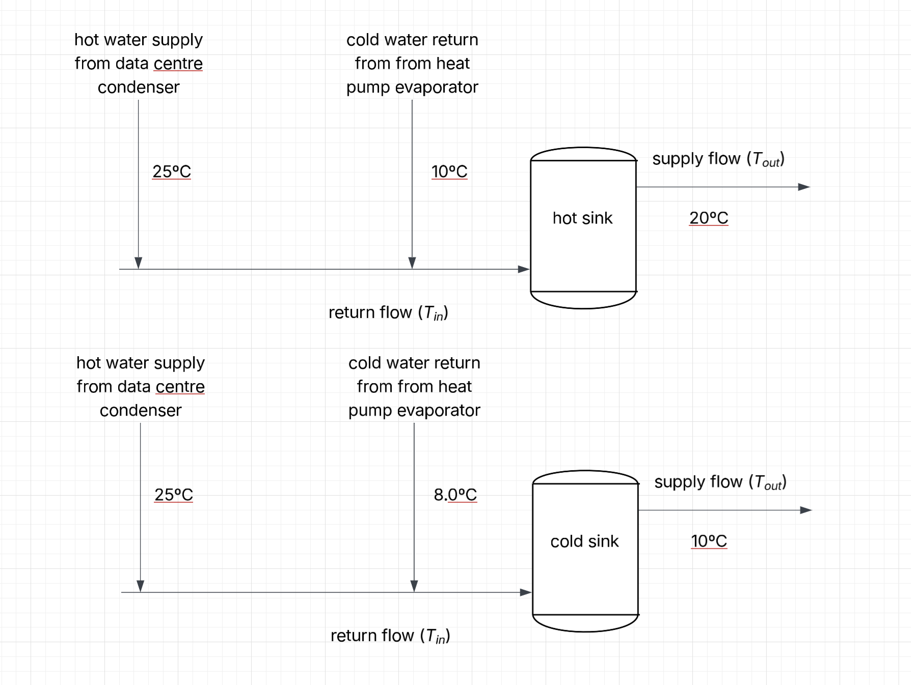
...
 |  | HP Evaporator
ṁcond, cold | Edest cond, cold | Qhp, cold | ṁhp, cold | Edest hp, cold
kg/s | kW | kW | kg/s | kW
- | 41,473 | - | - | - | 217,696
 |  | 6.5%
 | 0.0
 | 0.0
 | 0.0
 | 0.0
 | 0.0
 | 0.0
 | 2.1
 | 17.7
 | 33.6
 | 49.5
 | 65.5
 | 81.5
 | 97.5
 | 113.5
 | 103.6
 | 117.7
 | 166.0
 | 155.7
 | 176.4
 | 155.8
 | 186.9
 | 135.2
 | 83.8
 | 32.6
 | 0.0
 | 0.0
...

